Sheet1
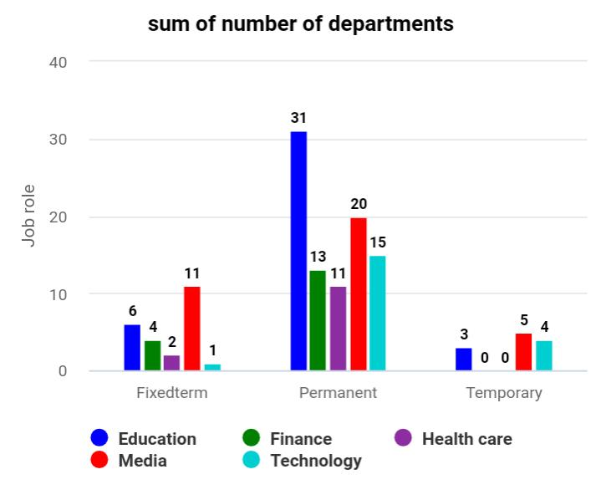
sum of number
of departments | Employee type
Job role | Fixed term | Permanent | Temporary | Grand total

Education | 6 | 31 | 3 | 40

Finance | 4 | 13 | 0 | 17

Health care | 2 | 11 | 0 | 13

Media | 11 | 20 | 5 | 36

Technology | 1 | 15 | 4 | 20

Grand total | 24 | 90 | 12 | 126

